Goal Seeking

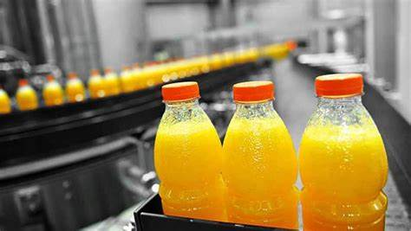

Goal Seeking

Using Solver

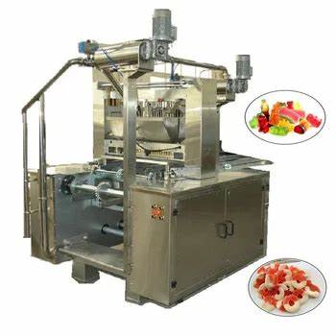
Soft Drink Type | Quantity Produced | Total Demand | Profit per Soft Drink | Total Profit
Cola Juice | 10000.00 | 10000 | $1.10 | $11,000.00
Pinneaple Juice | 3000.00 | 7000 | $1.00 | $3,000.00
Strawberry Juice | 3,000.00 | 3000 | $1.02 | $3,060.00
Apple Juice | 0.00 | 2000 | $0.30 | $0.00
Total produced: | 16000.00 | 22000

Machine Capacity | 16,000 |  | Total Profit | $17,060.00

In table 3 above, it shows us which type of product to produce more inorder to get more Revenue and our targets.

